2022
IMF - Real GDP Growth
1. Economic Outlook
 | Actual | Actual | Actual | Forecast
IMF - Real GDP Growth | 2019 | 2020 | 2021 | 2022 | 2023
Sub-Saharan Africa | 3.2 | -1.7 | 4.0 | 3.7 | 4.0 |  | Trend
South Africa | 0.2 | -6.4 | 4.9 | 1.9 | 1.4 |  | Trend
Emerging & Developing Economies | 3.6 | -2.0 | 6.5 | 4.8 | 4.7 |  | Trend
World | 2.8 | -3.1 | 5.9 | 4.4 | 3.8 |  | Trend
 | Real GDP Growth: Sub-Saharan Africa vs. World
IMF:
Global growth is estimated at 5.9 percent in 2021 and is expected to moderate to 4.4 percent in 2022.
The baseline incorporates anticipated effects of:
i) mobility restrictions,
ii) border closures, and
iii) health impacts from the spread of the Omicron variant.

Treasury - Real GDP Growth
 | Actual | Actual | Estimate | Forecast
National Treasury - Real GDP Growth | 2019 | 2020 | 2021 | 2022 | 2023 | 2024
South Africa: Budget Feb 2021 | 0.1 | -6.4 | 3.3 | 2.2 | 1.6 |  | Trend
South Africa: MTBS Nov 2021 | 0.2 | -6.4 | 5.1 | 1.8 | 1.6 | 1.7 | Trend
South Africa: Budget Feb 2022 | 0.1 | -6.4 | 4.8 | 2.1 | 1.6 | 1.7 | Trend
 | Real GDP Growth South Africa: MTBS vs. Budget Review
Treasury:
Real GDP is expected to grow by 2.1 per cent in 2022 and average 1.8 per cent over the medium term.
Risks:
i) Significant risks to the economic outlook include new COVID-19 variants leading to new waves of infection,
ii) continued interruptions in power supply, and
iii) rising inflation and fiscal risks.

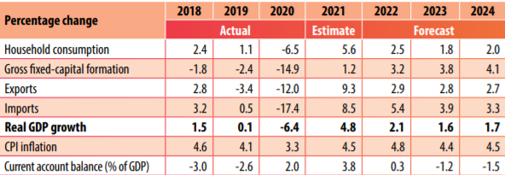
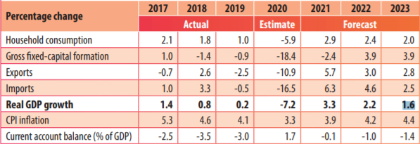

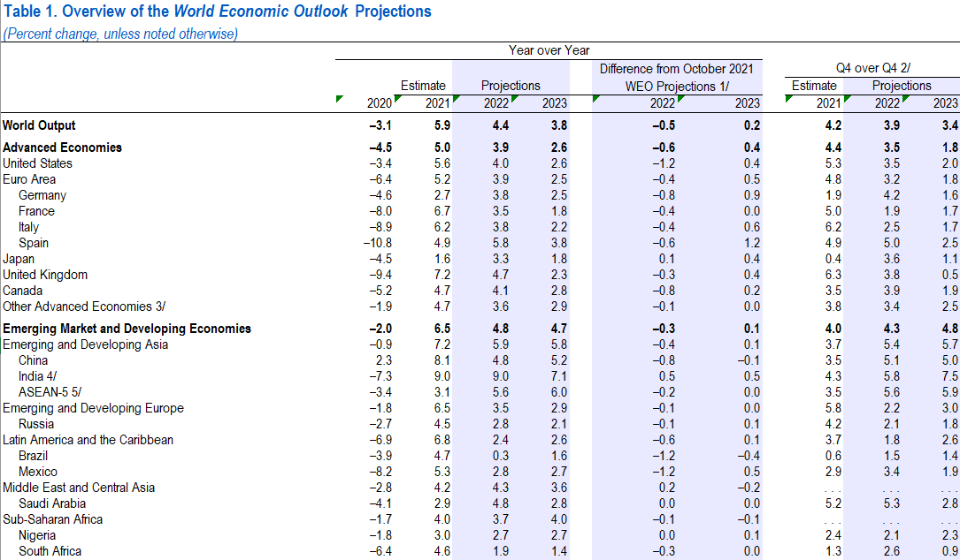

5. Behavioral Taxes - Tax policy

2023
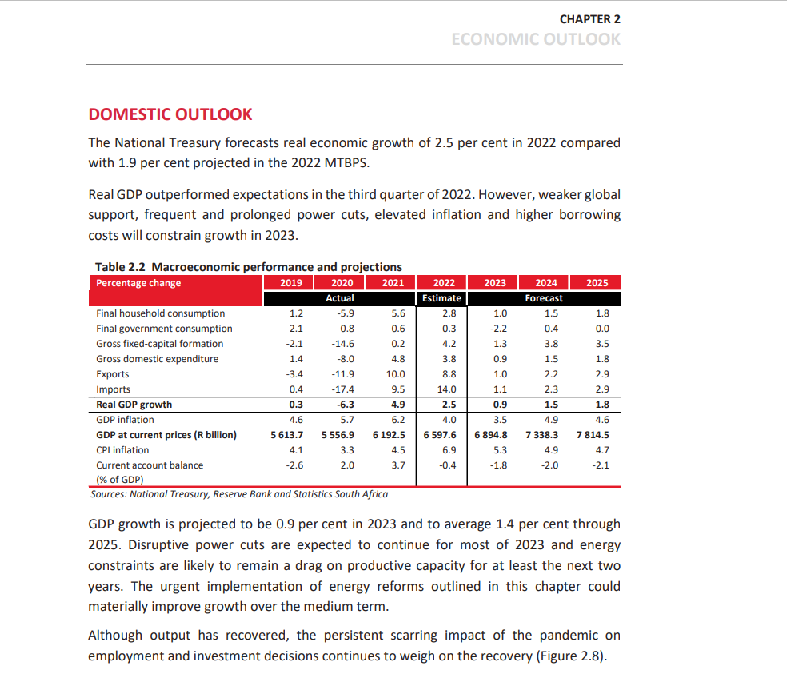
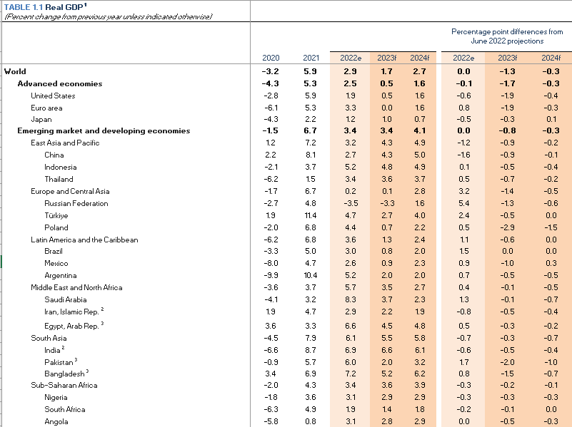
IMF - Real GDP Growth 2019 - 2024
1. Economic Outlook
 | Actual |  |  | Estimate | Forecast
IMF - Real GDP Growth | 2019 | 2020 | 2021 | 2022 | 2023 | 2024
Sub-Saharan Africa | 3.2 | -1.7 | 4.3 | 3.4 | 3.6 | 3.9 |  | Trend
South Africa | 0.2 | -6.4 | 4.9 | 1.9 | 1.4 | 1.8 |  | Trend
Emerging & Developing Economies | 3.6 | -2.0 | 6.7 | 3.4 | 3.4 | 4.1 |  | Trend
World | 2.8 | -3.1 | 5.9 | 2.9 | 1.7 | 2.7 |  | Trend
 | Real GDP Growth: Sub-Saharan Africa vs. World
IMF:
Global growth is estimated at 2.9 percent in 2022 and is expected to moderate to 1.7 percent in 2023.

National Treasury - Real GDP Growth 2019 -2025
 | Actual |  |  | Estimate | Forecast
National Treasury - Real GDP Growth | 2019 | 2020 | 2021 | 2022 | 2023 | 2024 | 2025
South Africa: MTBS Nov 2022 | 0.2 | -6.4 | 4.9 | 1.9 | 1.4 | 1.7 | 1.8 | Trend
South Africa: Budget Feb 2023 | 0.3 | -6.3 | 4.9 | 2.5 | 0.9 | 1.5 | 1.8 | Trend
 | Real GDP Growth South Africa: MTBS vs. Budget Review
Treasury:
Real GDP is estimated to grow by 2.5 per cent in 2022 and average 1.4 per cent over the medium term.
Risks:
Persistent power cuts, deteriorating rail and port infrastructure, and a weaker global outlook,weaker-than-expected global growth, further disruptions to global supply chains and renewed inflationary pressures from the war in Ukraine, continued power cuts and a deterioration in port and rail infrastructure, widespread criminal activity, and any deterioration of the fiscal outlook.

